Index
Disclosure under the CRR
ASSOCIATION OF VOLKSBANKS - 30.06.2025

Annex | Template | Name
Disclosure of overview of risk management, key prudential metrics and RWA
I | EU OV1 | Overview of total risk exposure amounts
 | EU KM1 | Key parameters
Disclosure of own funds
VII | EU CC1 | Composition of regulatory own funds
 | EU CC2 | Reconciliation of regulatory own funds with the balance sheet included in the audited financial statements
Disclosure of countercyclical capital buffers
IX | EU CCyB1 | Geographical distribution of credit exposures essential for calculating the countercyclical capital buffer
 | EU CCyB2 | Amount of the institution-specific countercyclical capital buffer
Disclosure of the leverage ratio
XI | EU LR1 | Summary reconciliation between recognised assets and exposures for the leverage ratio
 | EU LR2 | Uniform disclosure of the leverage ratio
 | EU LR3 | Breakdown of on-balance-sheet exposures (excluding derivatives, SFTs and exempted exposures)
Disclosure of liquidity requirements
XIII | EU LIQ1 | Quantitative information on the LCR
 | EU LIQB | Template EU LIQB - Liquidity risk
 | EU LIQ2 | Net Stable Funding Ratio
Disclosure of credit risk, dilution risk and credit quality
XV | EU CR1 | Exposures serviced according to contract and non-performing exposures, and associated provisions
 | EU CR1-A | Residual duration of exposures
 | EU CR2 | Change in the portfolio of non-performing loans and credits
 | EU CQ1 | Credit quality of forborne exposures
 | EU CQ5 | Credit quality of loans and advances to non-financial corporations by industry
 | EU CQ7 | Collaterals obtained through repossession and enforcement proceedings
Disclosure on the use of credit risk mitigation techniques
XVII | EU CR3 | Disclosure on the use of credit risk mitigation techniques
Disclosure on the use of the standardised approach
XIX | EU CR4 | Standardised approach – Credit risk and effect of credit risk mitigation
 | EU CR5 | Standardised approach
Disclosure of counterparty credit risk
XXV | EU CCR1 | Analysis of CCR exposure by approach
 | EU CCR3 | CCR exposures by regulatory exposure class and risk weight
 | EU CCR5 | Composition of collaterals for CCR exposures
 | EU CCR8 | Exposures to central counterparties (CCPs)
Disclosure on the use of the standardised approach and of the internal market risk models
XXIX | EU MR1 | Market risk under the standardised approach
 |  | ESG
ESG | ESG 01 | Banking book – Indicators of potential transaction risks due to climate change: Credit quality of exposures by sectors, emissions and residual duration
 | ESG 02 | Banking book – Indicators of potential transaction risks due to climate change: Loans secured by real estate – Energy efficiency of the collaterals
 | ESG 03 | Banking book – Indicators of potential transaction risks due to climate change: Adjustment parameters
 | ESG 04 | Banking book – Indicators of potential transaction risks due to climate change: Exposures to the 20 most carbon-intensive companies
 | ESG 05 | Banking book – Indicators of potential physical risks due to climate change: Exposures with physical risk

XXXVII | IRRBB1 | Interest rate risks for transactions in the banking book

EU LIQB
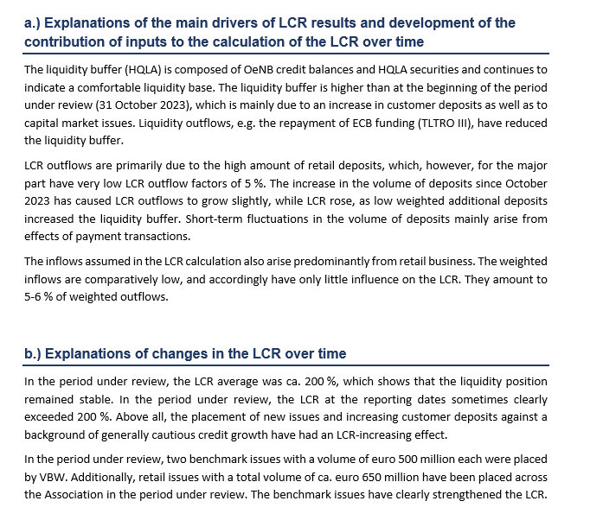
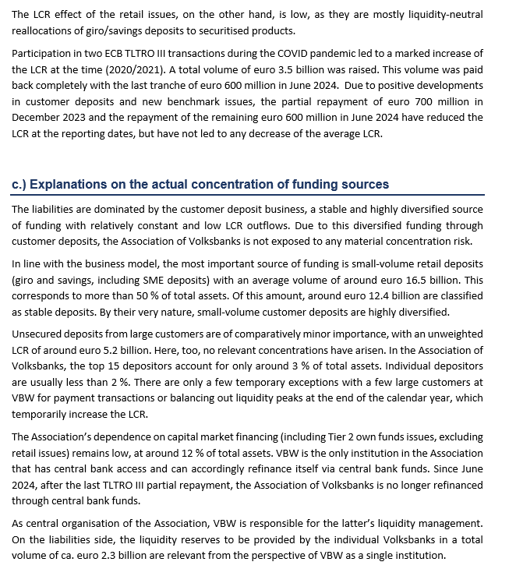
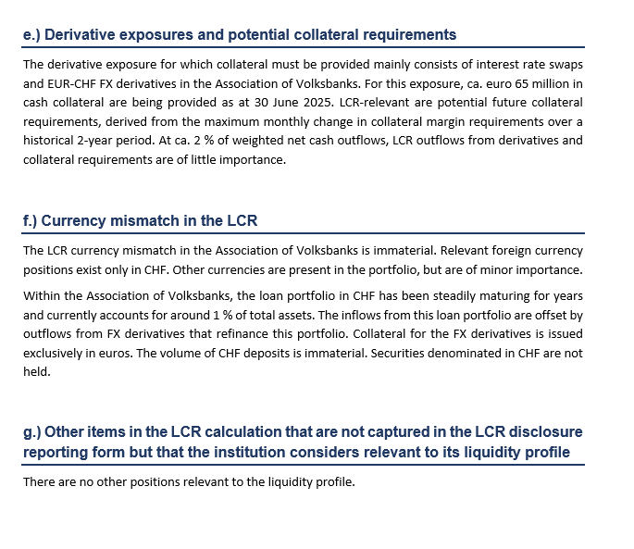
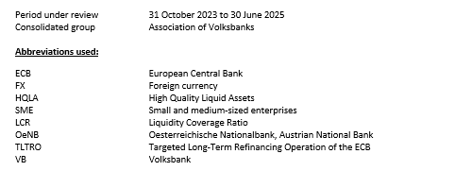
Template EU LIQB - Liquidity risk

